Master-PMP
MASTER LEVEL PMP
Vertical Name | E-Governance
Vertical Head Name | Manoj Nagpal
Last updated | 10-Feb-22

1. OVERVIEW of VERTICAL
E-Governance vertical is involved in the development of Indian Government website, web applications and mobile app projects. These projects are sourced through NICSI (National Informatics Centre Services Incorporated) or direct tenders. E-Governance team develops projects in .Net, Java, mobile app development SDKs and open source (Drupal, PHP, MySql etc.) technologies.

2. PROJECT EXECUTION METHODOLOGY
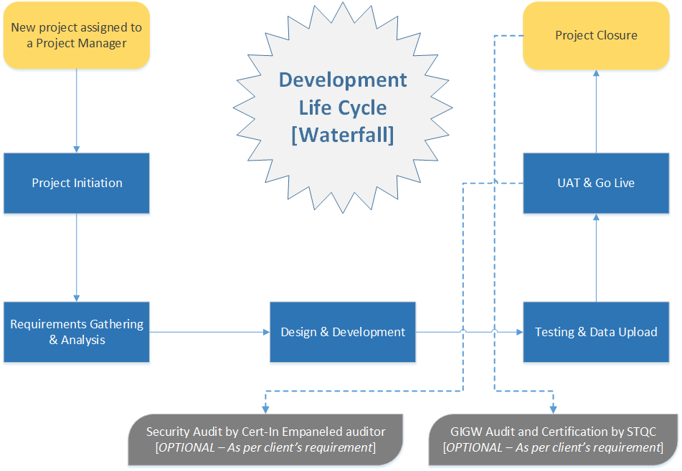 We are using Waterfall and Agile methodologies to execute website and web application projects. Following diagrams explain the life cycle of projects (websites & Web application) using waterfall and Agile methodologies.
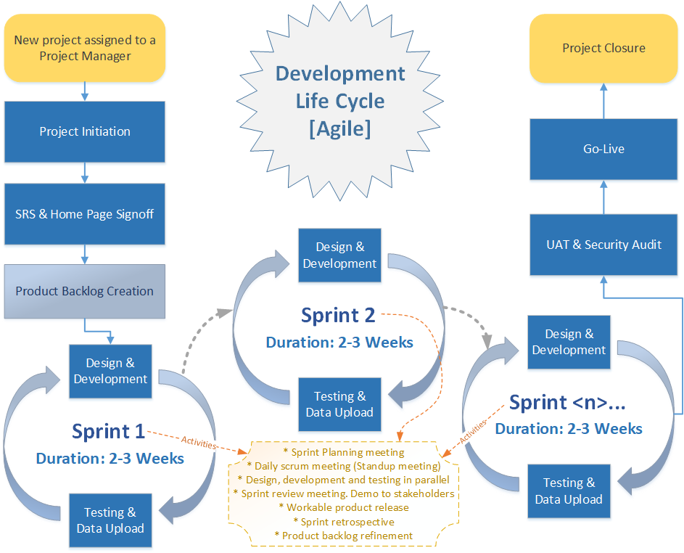
3. TOOLS
Phase/Activity | Tools
Configuration Management | SubVersion (Tortoise SVN), GitHub
Test Planning | Manual testing. No tool.
Unit testing | Manual testing. No tool.
Automated Testing | JMeter
Deployment | Manual deployment. No tool.
Defect Tracking | Excel
Design | For User Interface design: Photoshop, Dreamweaver System architecture design: MS Visio and Visual Studio
Development | * .Net Projects : MS Visual Studio * Core PHP: Notepad++ * Java Projects: IBM Eclipse * Drupal
Project Management | MS Project, Visio, MS Office
Timesheet | Excel
Documentation | MS Office
Code Review | Manual peer review. No tool.
Production Support | -- Not applicable --
Virtual Delivery Tools | Whereby, Google Meet, AnyDesk, Microsoft Teams,Dropbox,WebEx, Zoom, WeTransfer, laptops with VPN access for team members

4. PROJECT INTERNAL ESCALATION
Every project must follow an escalation matrix for timely resolution of issues. | The purpose of escalations is to ensure that problems are identified quickly, tracked appropriately and resolved in the shortest possible time. Escalation is a method to apply additional (or different) resources on a reported case to expedite resolution. This includes escalation to the highest levels of the company, ensuring every available resource is applied in a timely manner to resolve service effecting customer issues. Please refer the following document containing escalation matrix details

5. PROJECT METRICS
Project should identify Metrics and KPIs to review project progress quantitatively. Metrics are defined for each project type at org level. | Following metrices will be captured and monitored for all the projects within E-Gov division.
Metrics --> | Net margin% | Evb% | Defect Rate | Productivity | Requirement Analysis & SRS documentation Effort% | Design Integration with application effort% | Module development effort% | Requirement Defect Rate | Design & Development Defect Rate | Testing Defect Rate | UAT Defect Rate | RSI | Review Effectiveness (RE) | Testing Efficiency (TE) | DRE | Schedule Variance baseline (SVb) | Design Review Efficiency | Code Review Efficiency | Review Effort %
LSL | 35.83% | -28.76% | 0.013 | NA | 34.73% | 5.04% | NA | 0.013 | 0.013 | 0.013 | 0.013 | NA | 50.00% | 70.00% | 70.00% | NA | 0.536 | 0.040 | 1.10%
USL | 57.42% | 32.98% | 0.049 | NA | 60.31% | 15.99% | NA | 0.049 | 0.049 | 0.049 | 0.049 | NA | 70.00% | 100.00% | 100.00% | NA | 1.398 | 0.139 | 8.74%
Goal | 46.62% | 2.11% | 0.031 | NA | 47.52% | 10.52% | NA | 0.031 | 0.031 | 0.031 | 0.031 | NA | 60.00% | 85.00% | 85.00% | NA | 0.967 | 0.090 | 4.92%
Stdev | 10.80% | 10.29% | 0.006 | NA | 4.26% | 1.83% | NA | 0.006 | 0.006 | 0.006 | 0.006 | NA | 3.33% | 5.00% | 5.00% | NA | 0.144 | 0.017 | 1.27%

6. PROJECT MONITORING AND CONTROL
Progress review type | Participant | Tracking Elements | Mode | Frequency / Event
Project Progress Review Meeting (Internal) | Project Manager, Business Analyst, Tech Lead and Technical Head | User requirements, complaints &dependencies, | Face to face meeting or through virtual meeting tools | Weekly/ Need based
 |  | Status tracking – Plan Vs Actual (Effort, Schedule, Cost, Size)
 |  | Project Risk elements, Technical issues and queries,
 |  | Critical resources tracking,
 |  | Project support issues
 |  | Other issues & concerns
 |  | Review of earlier MOM
Senior Management Review Meeting (Internal) | Senior Management, HOD, PM | Project progress review – Plan Vs Actual (Effort, Schedule, Cost, Size) | Face to face meeting or through virtual meeting tools | Quarterly
 |  | Metrics performance review
 |  | Escalated project issues
 |  | User requirements, complaints & dependencies
 |  | Audit issues & Tailoring option review
 |  | Other issues & concerns
 |  | Review of earlier MOM
Milestone Review Meeting (Internal) | HOD, PM and Team member (as applicable) | Project progress review – Plan Vs Actual (Effort, Schedule, Cost, Size) | Face to face meeting or through virtual meeting tools | Monthly/ Need based
 |  | Metrics performance review
 |  | Escalated project issues
 |  | User requirements, complaints & dependencies
 |  | Audit issues & Tailoring option review
 |  | Other issues & concerns
 |  | Review of earlier MOM

7. ESTIMATION TECHNIQUE
Every project must estimate the size of the project. | All types of projects will use "COMPLEXITY POINT ESTIMATION TECHNIQUE" to estimate the size of the project.

8. AUDIT PLAN
Audit Type | Frequency | Audit item | Auditee (Specify the roles like PM etc.) | Release Audit Sampling Criteria
Release Audit | As and when the product/software is ready for release using Release Audit checklist | Release artifacts | Developer/TL/PM
CM audit | On monthly basis (using CM audit checklist) | CM process related work products | CM
Project Compliance Audit | Monthly | To verify the project execution process compliance and created artificats with resepect defined processes | PM

9. Change Management Plan | The purpose of change mangement is to identify the change request, analyse the impact of change request on the project, track change request till closure and throughout the life cycle of project. Please refer the attached document containing detailed change management plan.
10. Configuration Management Plan | The purpose of configuration management is to identify items for configuration, manage baselines, monitor status of configuration items and perform configuration management audits throughout the life cycle of project. 1. Configuration Management Tool SVN (Tortoise SubVersion) will be used as configuration management tool for the project. Complete project documents, deliverables and source code will be updated in SVC under respective project folder structure. 2. Configuration Repository The Configuration Manager (CM) will establish electronic and physical repository. Project members will be granted various levels for accessing the repository as determined by the CM. Owner of the CI will control and maintain the copy of the CI currently being developed or revised in the owner’s workspace. Project Centralized Repository and physical repository contain superseded and changes to the baseline. 3. Naming Conventions • Following format will be used to name various document created under this project. Projectname website - <CI Name>.<file extenstion> or Projectname webapplication - <CI Name>.<file extenstion> For example, risk register of project will be named as below using above format- GSDS website - Risk Register.xls or APMS Webapplication - Risk Register.xls • Following format will be used to name customer status reports created under this project. Projectname website - Project Status Report_<ReportDate>.<file extenstion> For example, status report of project will be named as below using above format- GSDS website - Project Status Report_05Jun18.pdf • Following format will be used for capturing the dates in all the project documents. DD-MM-YYYY
 | 4. Configuration Identification (a) Configuration Item (CI) (i) Any artifact that is subject to the formal change management and version control procedure is considered configuration item. These are also termed as Baseline Items. (ii) Configuration items can include hardware, equipment and tangible assets as well as software and documentation. Example of artifact that may be part of a configuration item include the following:- a) Project Management Plan (Org Level PMP, Project Level PMP) b) Contract or Purchase Order or Work order document c) Estimates d) Statement of Work or Technical Proposal e) Software Requirement Specification f) Technical Design Document g) Test Plan h) Test Cases i) Source code j) User Manual (iii) Criteria of baseline can be the completion of formal review and acceptance of the work product. (iv) Criteria for revision of baseline can be internal or external change request. (b) Managed Items Any artifact that is not designated as a configuration item is considered as a managed item. (i) MOM (Minutes Of Meeting) (ii) Project Schedule (iii) Checklist/s (iv) Requirement Traceability Matrix (v) Project initiation report (vi) Reference standards (vii) Tracking sheets, Status reports (vii) Risk register, Project metrics sheet
 | 5. Labeling & Version Numbering Scheme Every version-able artifact shall have revision history indicating the revision number and nature of changes in every release. All project documents will use following version numbering convension- • All draft versions of documents will start as 0.1. Next draft version after modification will be 0.2 and so on till approval. • After document gets approved, it will be baselined as version 1.0 • Subsequent version after approval will be incremented by 0.1 i.e. version 1.1 i.e. minor changes baseline • All major changes baseline should have versioning as 2.0, 3.0 ...... 6. Change Control Board (CCB) (a) Change Control Board comprises of CCB Chairman (HOD or PM), Configuration controller, Technical lead, team members depending upon nature of the change request. (b) At least two members would be part of CCB at any point of time. (c) User department’s involvement in approval of change request will be necessary only when the change has an impact on cost, schedule, requirement, scope and quality. (d) CCB will review, analyze and approve the CRs based on the following parameters:- (i) Affected products / components (ii) Impact on effort / schedule / cost to implement change (iii) Impact on existing functionality (iv) Assessment of associated risks due to the proposed change (e) CCB ensures that all required documentation and related plan have been updated and put under version control. 7. Project Documents Directory Folder Structure Please refer the attached document containing defined folder structure for maintaining project documents in local machine and central repository. Source code will be stored in a separate version-controlled repository as per code specific structure.

11. Backup and Restoration Plan | Project data backup and restoration will be performed by IT team. An email from project manager requesting project backup implemention will be sent to IT team. IT team will confirm the project data backup setup for defined frequency. On backup implementation confirmation from IT team, project manager will request the restoration of random files to verify proper backup fo project data.

